JET-P information
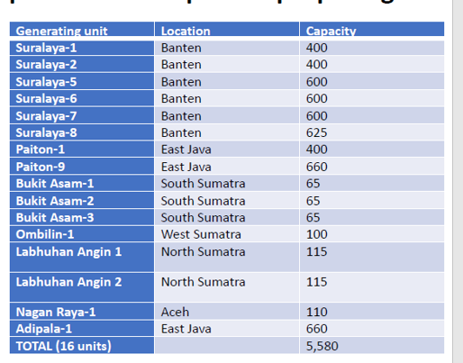
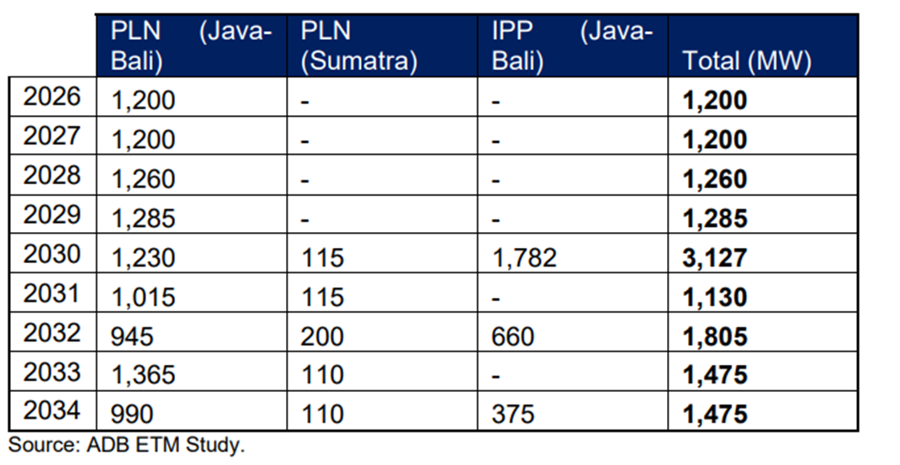
Indonesia is required to cap its power sector emission at 290 million tonnes (Mt) in 2030

The agreement also emphasises to freeze the existing pipeline of planned on-grid coal-fired power plants included in the national Electricity Supply Business Plan 2021-2030 (also known as RUPTL), reaffirming a full moratorium on any new on-grid coal power generation capacity in accordance with Presidential Regulation on Renewable Energy Number 112/2022 and accelerating the deployment of renewable energy to reach at least 34% of total generation by 2030.

PLN:
4.3 GW retired + Jawa-3 being cancelled = 6.3 GW
30% co-firing

Our scenario:
16 GW retired
retrofits

https://ember-climate.org/insights/commentary/jetp-indonesia/
https://greennetwork.asia/news/indonesias-energy-transition-mechanism-aims-to-accelerate-the-retirement-of-coal/

ADB signed an MoU together with PT PLN, Cirebon Electric Power (CEP), and the Indonesian Investment Authority (INA) to begin discussions on the early retirement of Cirebon-1, a 660 MW power plant owned by CEP. The non-binding agreement intends to close the Cirebon-1 up to 15 years before the end of its 40-to-50-year lifespan.

Indonesia plans to develop power plants generated by renewable energy and low-carbon technology with a capacity of up to 700 GW. The government is looking at renewable sources such as geothermal, hydropower, wind, and solar. The relatively controversial biomass cofiring will also be included in coal power plants. Finally, Indonesia plans the early retirement of 33 coal power plants with a total capacity of 16.8 GW.

“That will reduce 50 million tonnes of CO2 in 2030 or 160 million tonnes in 2040,” Minister Sri Mulyani Indarwati added.

It also intends to increase the share of renewable electricity to 34% by 2030 from the previous target of 23%.

https://energytracker.asia/indonesias-coal-dependence-and-the-new-jetp/

https://www.esdm.go.id/en/media-center/news-archives/sekretariat-jetp-terbentuk-siap-realisasikan-kerja-sama-pendanaan-transisi-energi
Peaking emisi sektor ketenagalistrikan diproyeksikan terjadi pada tahun 2030, lebih cepat dari proyeksi awal;
Emisi sektor ketenagalistrikan tidak melebihi 290 juta ton CO2 di tahun 2030, lebih rendah 67 juta ton CO2 dibandingkan nilai baseline BaU sebesar 357 juta ton CO2;
Net zero emissions sektor ketenagalistrikan pada tahun 2050, lebih cepat 10 tahun dari proyeksi awal;
Mempercepat pemanfaatan energi terbarukan setidaknya 34% bersumber dari energi terbarukan pada 2030.

Peaking in the electricity sector's emissions is projected to occur in 2030, faster than the initial projection;
The electricity sector's emissions will not exceed 290 million tonnes of CO2 in 2030, 67 million tonnes of CO2 lower than the BaU baseline value of 357 million tonnes of CO2;
Net zero emissions in the electricity sector in 2050, 10 years faster than the initial projection;
Accelerate the utilization of renewable energy at least 34% sourced from renewable energy by 2030.
https://databoks.katadata.co.id/datapublish/2022/10/21/ini-daftar-pltu-yang-layak-pensiun-dini-pada-2023-menurut-iesr
Banten Suralaya Power Station (Banten): capacity of 1,600 megawatts (MW)
PLN Paiton Power Station (East Java): 800 MW capacity
Cilacap Sumber Power Station (Central Java): 600 MW capacity
Cikarang Babelan Power Station (West Java): 280 MW capacity
Asam-Asam Power Station (South Kalimantan): 260 MW capacity
Bukit Asam Muara Enim Power Station (South Sumatra): 260 MW capacity
Ombilin Power Station (West Sumatra): 200 MW capacity
Tabalong Power Station (South Kalimantan): 200 MW capacity
Merak Power Station (Banten): 120 MW capacity
Tarahan Power Station (Lampung): 100 MW capacity | https://www.cif.org/sites/cif_enc/files/meeting-documents/CTF_TFC_IS_3_04_Indonesia_ACT_IP.pdf
New Bangka Power Station (Bangka Belitung): 60 MW capacity | https://www.cif.org/event/intersessional-meeting-ctf-trust-fund-committee-tuesday-october-25-wednesday-26-2022
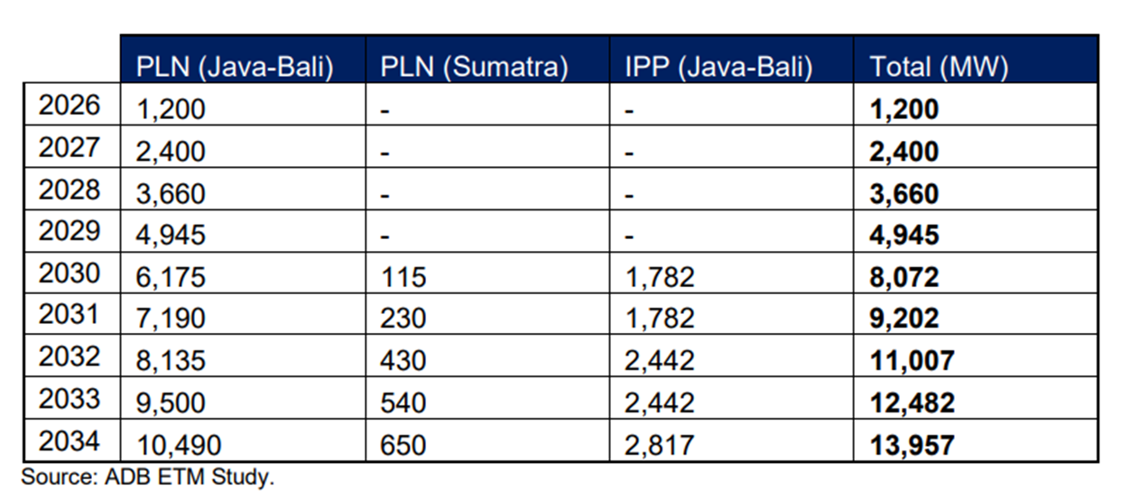
Tabalong Wisesa Power Station (South Kalimantan): 60 MW capacity

scenarios
scenario | PLN&IPP retirement | captive plant retirement | biomass co-firing | pollution control retrofits
BAU | at a lifetime of 30 years at current operating rates, except Suralaya and Paiton 2045/55 | based on the planned lifetime of the industrial assets | follow PLN's plant-specific plans for co-firing | follow current emission limits until end-of-life
ACT Investment Plan | 14 GW retired by 2035 as outlined in the investment plan; BAU otherwise | based on the planned lifetime of the industrial assets | follow PLN's plant-specific plans for co-firing | follow current emission limits until end-of-life
PERPRES 112/2022 | 14 GW retired by 2035; the rest retired by 2050 | retired by 2060 | co-firing increased to meet 34% renewables target | follow current emission limits until end-of-life
1.5 degrees | follow UMD pathway for coal power capacity&generation, optimize retirements for public health benefits | retired by 2060 | follow PLN's plant-specific plans for co-firing | follow current emission limits until end-of-life
1.5 degrees + pollution control | follow UMD pathway for coal power capacity&generation, optimize retirements for public health benefits | retired by 2060 | maintain current co-firing | retrofit plants with FGD, SCR and more efficient dust controls when benefits are larger than costs
1.5 degrees + pollution control + phase out captive plants | follow UMD pathway for coal power capacity&generation, optimize retirements for public health benefits | follow UMD pathway for coal power capacity&generation, optimize retirements for public health benefits | maintain current co-firing | retrofit plants with FGD, SCR and more efficient dust controls when benefits are larger than costs, including captive plants
possible additional scenario:
1.5 degrees + pollution control + phase out captive plants + 5 year delay | follow UMD pathway for coal power capacity&generation, optimize retirements for public health benefits + 5 year delay | follow UMD pathway for coal power capacity&generation, optimize retirements for public health benefits + 5 year delay | maintain current co-firing | retrofit plants with FGD, SCR and more efficient dust controls when benefits are larger than costs, including captive plants + 5 year delay

Timeframe: 2022 until end-of-life of all plants

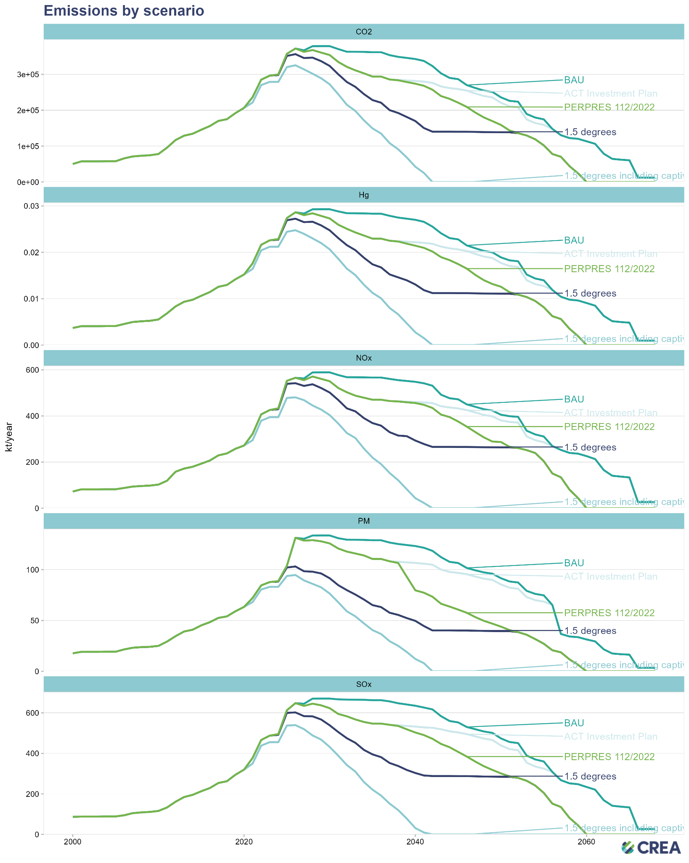

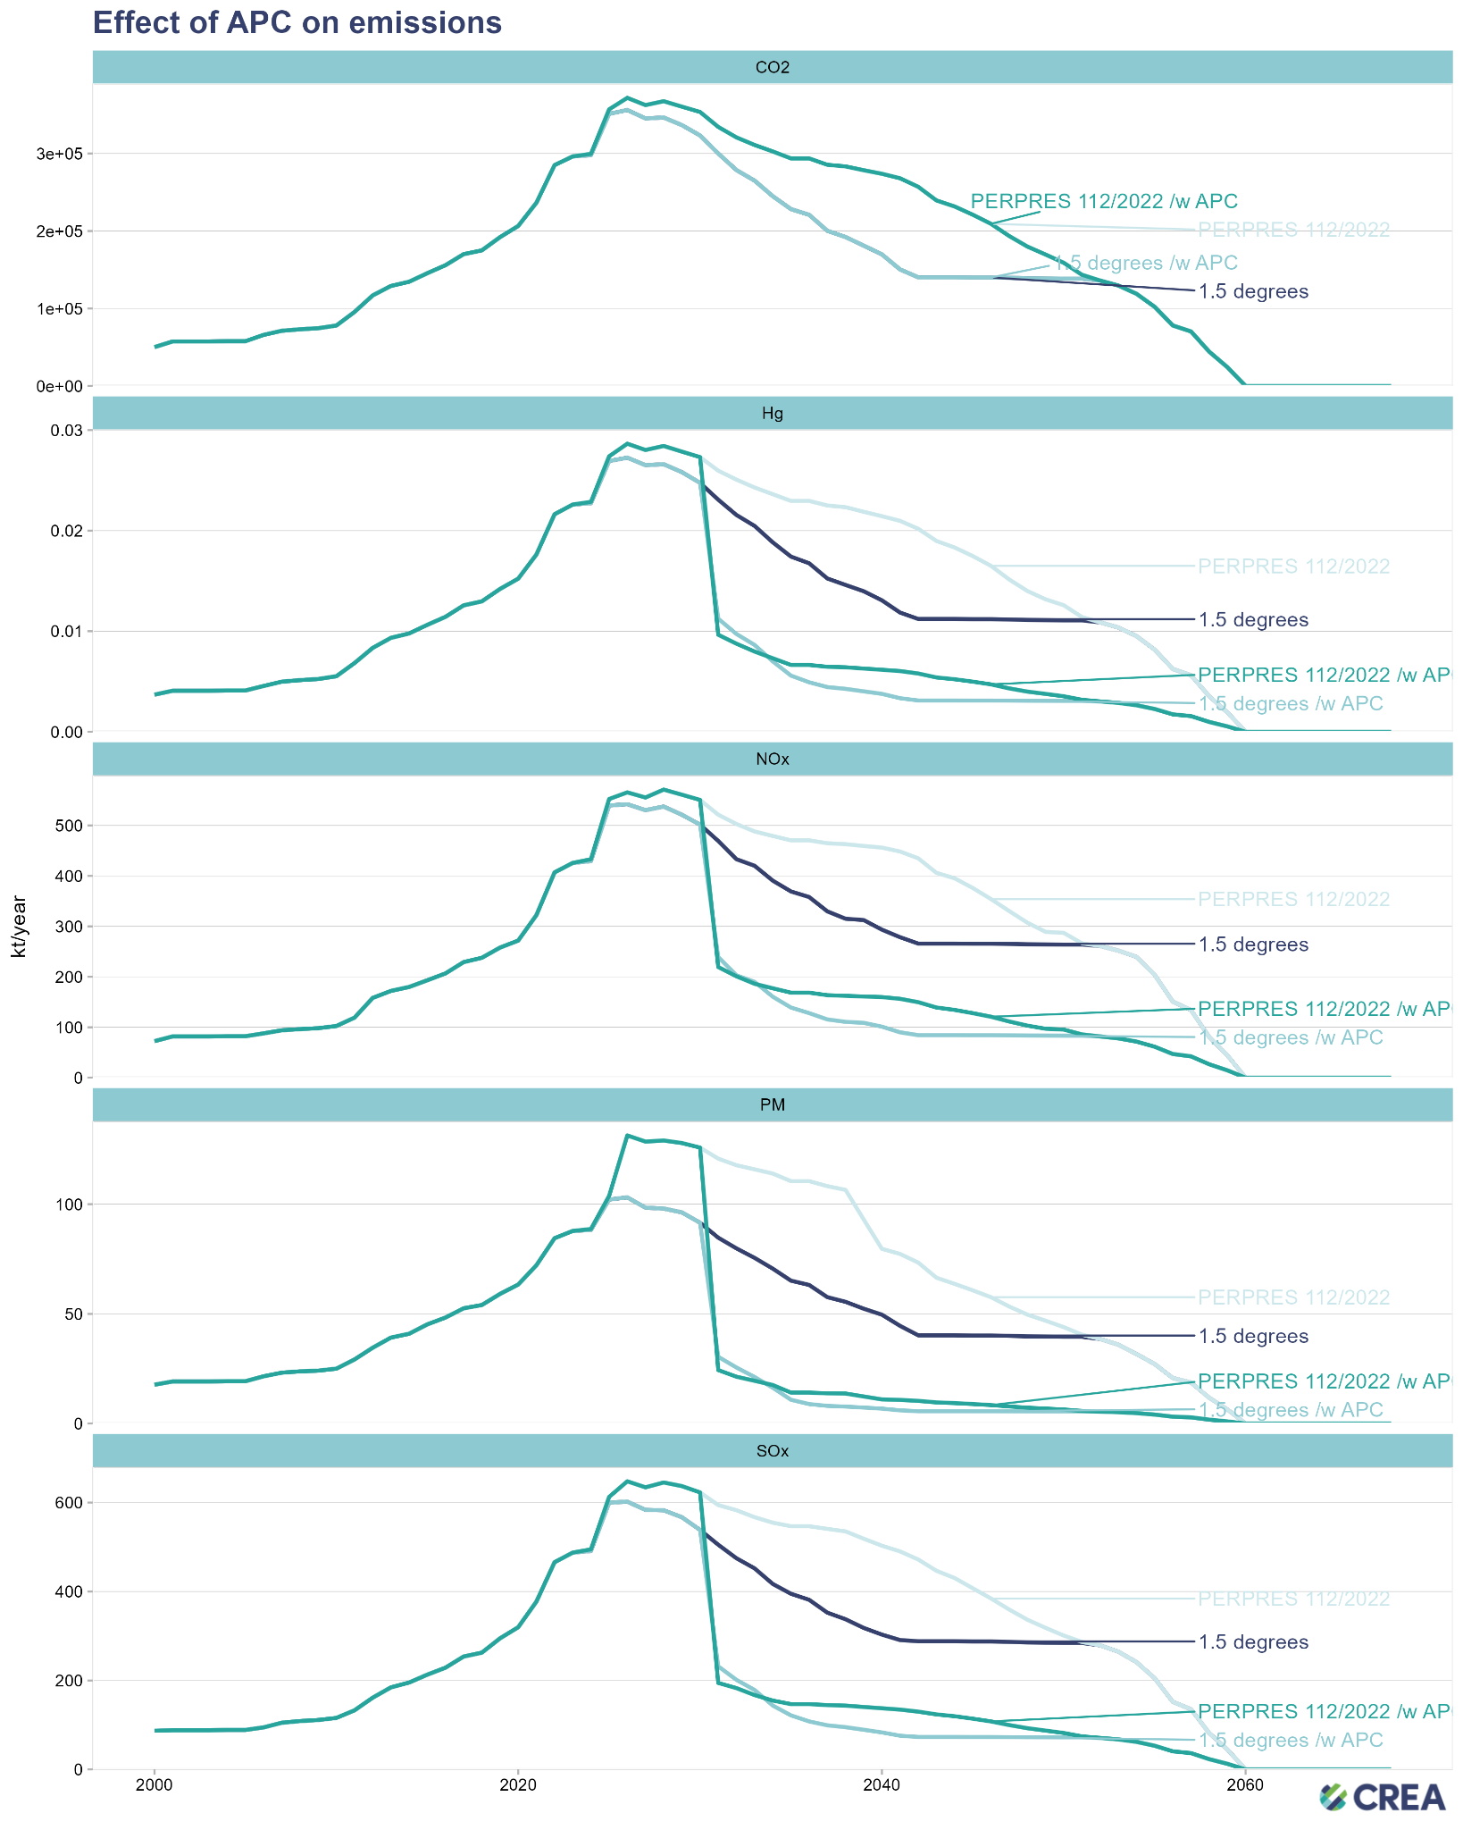

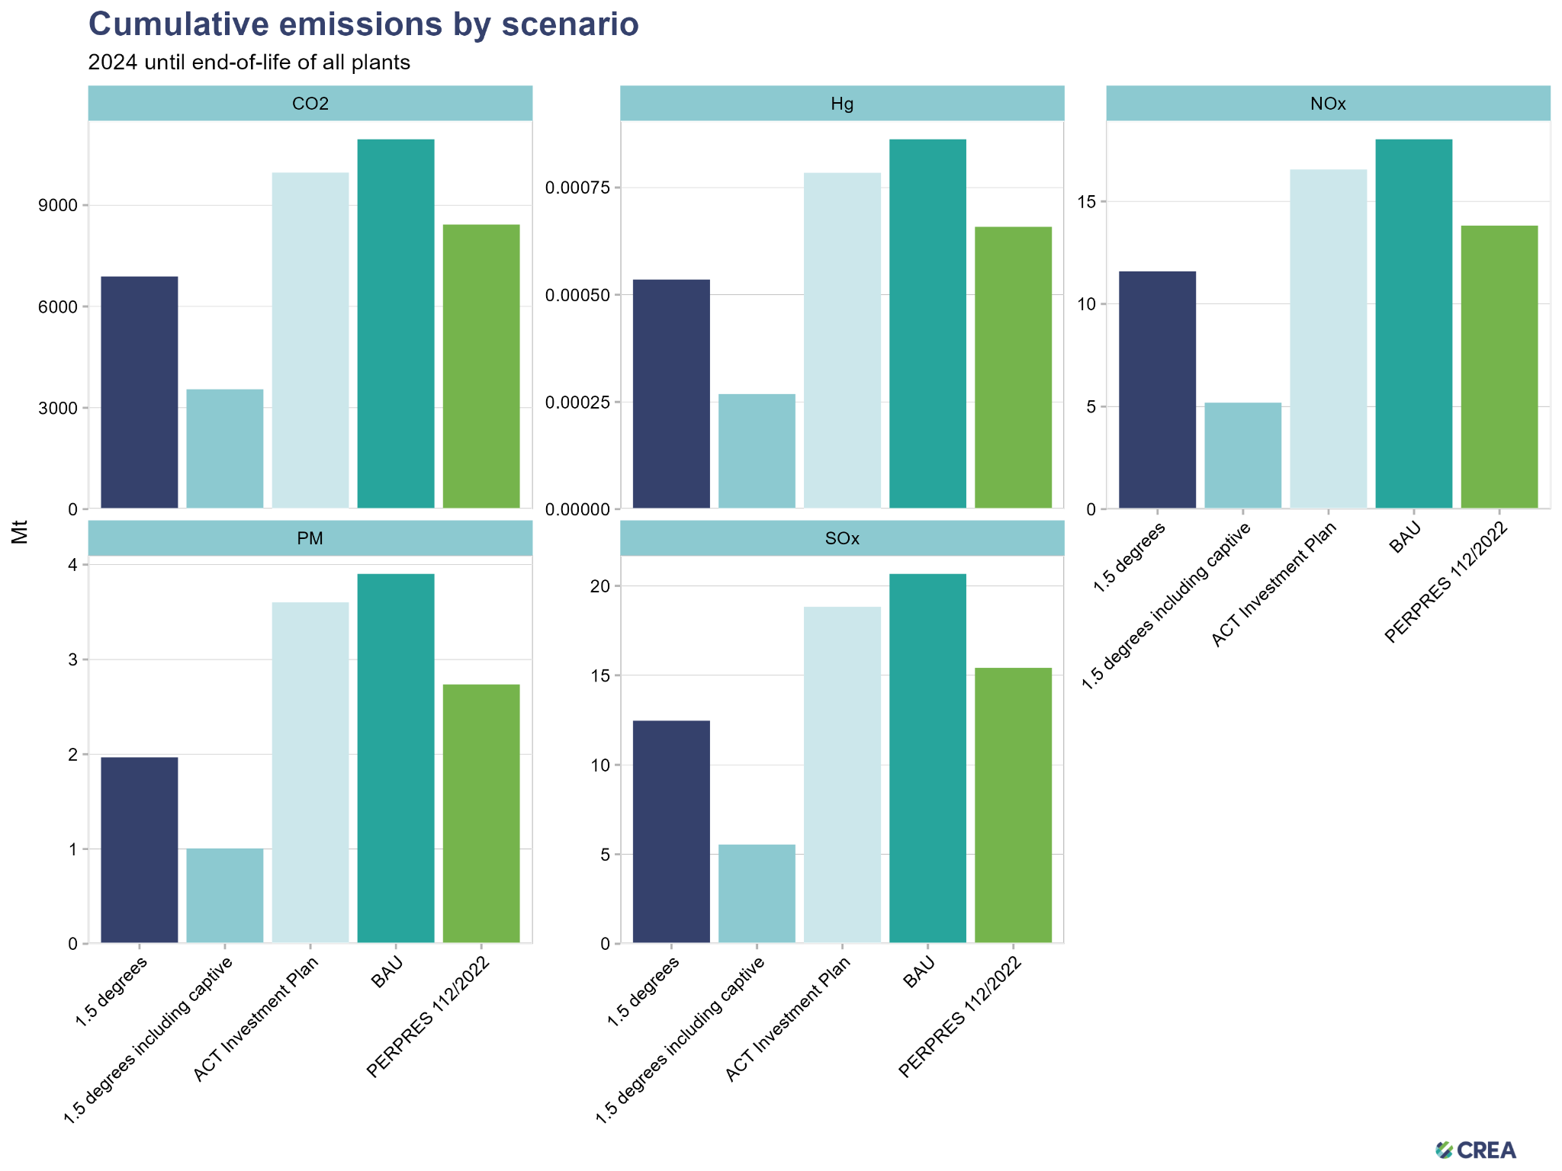

Review 14 April 2023

scenario | PLN&IPP retirement | captive plant retirement | biomass co-firing | pollution control retrofits
BAU | at a lifetime of 30 years at current operating rates, except Suralaya and Paiton 2045/55 | based on the planned lifetime of the industrial assets Consider 30 years | follow PLN's plant-specific plans for co-firing Consider phased or step increase - 10% in 2030, higher value beyond 2030 | follow current emission limits until end-of-life
ACT Investment Plan | 14 GW retired by 2035 as outlined in the investment plan; BAU otherwise | based on the planned lifetime of the industrial assets Consider 30 years | follow PLN's plant-specific plans for co-firing Consider phased or step increase - 10% in 2030, higher value beyond 2030 | follow current emission limits until end-of-life
PERPRES 112/2022 | 14 GW retired by 2035; the rest retired by 2050 | retired by 2060 2050 | co-firing increased to meet 34% renewables target Consider phased or step increase - higher share of co-firing than the published targets by PLN - higher than 10% in 2030, higher value beyond 2030 | follow current emission limits until end-of-life
1.5 degrees | follow UMD pathway for coal power capacity&generation, optimize retirements for public health benefits | retired by 2060 2050 | follow PLN's plant-specific plans for co-firing Consider phased or step increase - 10% in 2030, higher value beyond 2030 | follow current emission limits until end-of-life
1.5 degrees + pollution control | follow UMD pathway for coal power capacity&generation, optimize retirements for public health benefits | retired by 2060 2050 | maintain current co-firing Include definition | retrofit plants with FGD, SCR and more efficient dust controls when benefits are larger than costs
1.5 degrees + pollution control + phase out captive plants | follow UMD pathway for coal power capacity&generation, optimize retirements for public health benefits | follow UMD pathway for coal power capacity&generation, optimize retirements for public health benefits | maintain current co-firing Include definition | retrofit plants with FGD, SCR and more efficient dust controls when benefits are larger than costs, including captive plants

